Sheet1
PPP First Draw Loan Sizing Worksheet
For: | Partnerships
Note: partners’ self-employment income should be included on the partnership’s PPP loan application; individual partners may not apply for separate PPP loans).

 | Your business name:

PART I: CALCULATE YOUR MAXIMUM PPP LOAN REQUEST AMOUNT

1. | Select the time period you are using |  | 2019

 | Partner Net-Earnings:
2. | Enter 2019 Schedule K-1 net earnings |  | $0.00
 | Schedule K-1 (IRS Form 1065) Net earnings from self-employment of individual U.S.-based general partners that are subject to self-employment tax, multiplied by 0.9235 up to $100,000 per partner. *If the partnership is using 2020 payroll costs and the Form 1065 for 2020 has not yet been completed, fill out the form. Compute the net earnings from self-employment of individual U.S.-based general partner that are subject to self-employment tax from box 14a of IRS Form 1065 Schedule K-1 and subtract (i) any section 179 expense deduction claimed in box 12; (ii) any unreimbursed partnership expenses claimed; and (iii) any depletion claimed on oil and gas properties;

 | Employee Payroll Costs:
3. | a. Enter 2019 IRS Form 941 Taxable Medicare wages & tips | Q1 | $0.00
 | Line 5c-column 1 from each quarterly 941
 |  | Q2 | $0.00

 |  | Q3 | $0.00

 |  | Q4 | $0.00

 |  | Subtotal | $0.00
 | As applicable for 2019: |  | (auto-calculated)
 | b. Enter any pre-tax employee contributions for health insurance or other fringe benefits excluded from Taxable Medicare wages & tips |  | $123.00

 | c. Enter (i) any amount paid to any individual employee in excess of $100,000, and (ii) any amounts paid to any employee whose principal place of residence is outside the US | (-) | $0.00

 | Additional eligible payroll costs for 2019:
 | d. Enter 2019 employer contributions for employee group health, life, disability, vision, and dental insurance |  | $0.00
 | The portion of IRS Form 1065 line 19 attributable to those contributions

 | e. 2019 employer contributions to employee retirement plans |  | $0.00
 | IRS Form 1065 line 18

 | f. 2019 employer state and local taxes assessed on employee compensation, primarily state unemployment insurance tax |  | $0.00
 | Primarily state unemployment insurance tax (from state quarterly wage reporting forms)

4. | Subtotal all payroll costs |  | $123.00
 | Adding Line 2 plus Line 3-a, b, d, e, f, and minus Line 3-c |  | (auto-calculated)

5. | Calculate average monthly payroll |  | $10.25
 | Payroll Subtotal (Line 3) / 12 |  | (auto-calculated)
 | » Enter this amount in the 'Average Monthly Payroll' box of your SBA Form 2483

6. | Multiply the average monthly payroll amount by 2.5 |  | $25.63
 |  |  | (auto-calculated)

7. | Add the outstanding amount of any EIDL loan received between 1/31/20 and 4/3/20 that you seek to refinance. |  | $0.00
 | Do not include the amount of any advance under an EIDL COVID-19 loan (because it does not have to be repaid).
 | You do not have to refinance your EIDL. This is rare and purely optional.

→ | This Your Maximum PPP Loan Request Amount: |  | $25.00
 | Line 6 + Line 7 rounded down to nearest whole dollar |  | (auto-calculated)
 | » Enter up to this amount in the 'Loan Request Amount' box of your SBA Form 2483

PART II: ORGANIZE YOUR REQUIRED SUPPORTING DOCUMENTS
The following documents must be submitted along with your completed SBA Form 2483. If any required documents are missing, it will delay the processing of your application and could jeapordize its ability to be funded.
 | Document(s) to support your Average Monthly Payroll figure:
□ | The partnership's 2019 IRS Form 1065 (including K-1s)

□ | Documentation of any retirement or group health, life, disability, vision, and dental contributions

 | Document(s) to prove in operation:
□ | An invoice, bank statement, or book of record establishing the partnership was in operation on February 15, 2020

PART III: FILL OUT YOUR SBA FORM 2483
Below are the most common ways applicants incorrectly fill out their Form 2483. Please review each of them to ensure you've correctly completed your form, and then initial at the bottom once you've verfied each of the items.
Page 1 Common Issues:
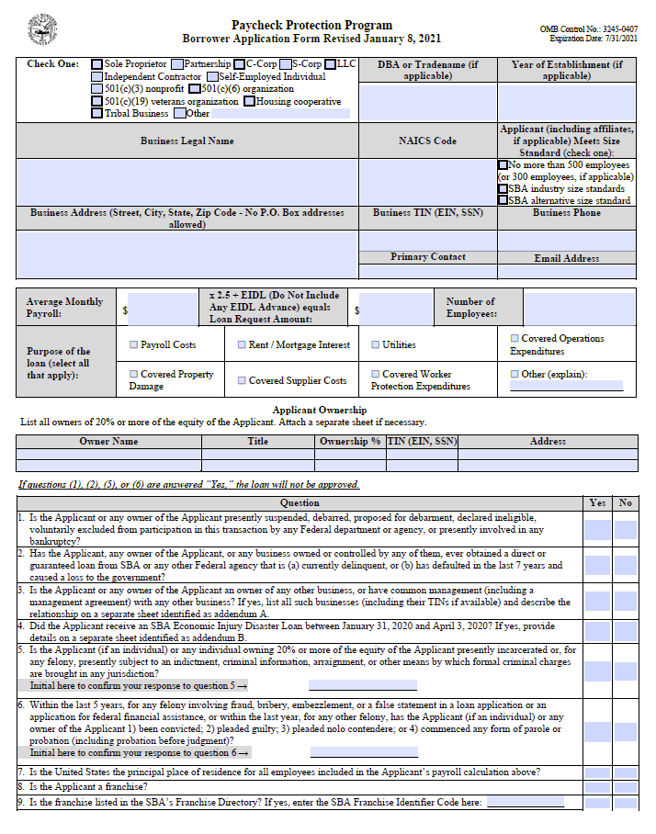

Make sure to enter your full EIN (if incorporated) or SSN (if self-employed) without dashes.

Must provide SSN (without dashes) if owner is an individual. Only use EIN if owner is another business.

Make sure and answer all questions.

If Yes for #3, you must attach Addendum A.

If Yes for #4, you must attach Addendum B.

Don't forget to initial questions 5 & 6!!!

Carefully read and answer #7 (hint: must be 'Yes' to be a valid application)

Initial all boxes
Page 2 Common Issues:
And don't forget to sign your form!!

 |  |  | Initial:
Initial to the right to indicate that you have reviewed each of these common issues and verified your form has been completed fully to the best of your ability →

SPECIAL INSTRUCTIONS IF USING THE "STARTUP METHOD" TIME PERIOD
If you were in operation on February 15, 2020, but were not in operation between February 15, 2019, and June 30, 2019, you may choose one of two ways to calculate your First Draw PPP Loan amount. The first option is to simply use payroll information for all of 2020 instead of 2019. If using this option, please select "2020" as your time period for question 1 above and then proceed following the instructions. The second option, the "Startup Method", is to calculate your loan amount using your average monthly payroll costs for January and February 2020. Fill out an IRS Form 1065 and Schedule K-1s for the period January and February 2020. The entries on the schedule must reflect all business income and expenses from those two months, with the exception that you must include only 1/6 of the amount of any annual depreciation and section 179 expense deduction attributable to investment made in those months, and you must include 1/6 of the amount of the 2020 depreciation deduction attributable to investment made in prior years. Once completed, enter the partner net earning amount on Line 2 this worksheet. Note: save your Form 1065 and Schedule K-1s as you will be required to attach them when submitting your application. Compute January and February 2020 payroll costs and enter the relevant amounts on Page 1 Lines 2 a-f. You also must provide payroll records from those two months, your IRS Form 941 for the first quarter of 2020, and documentation of any employer retirement and group health, life, disability, vision, and dental insurance contributions made on behalf of employees.

